terminal transactions 2019
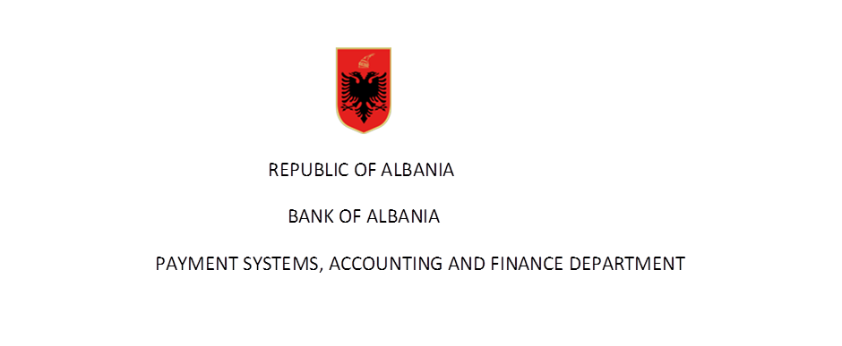

Number of issued and active cards in years

Number of cards by functions | Years |  |  |  |  |  |  |  |  |  |  |  |  |  |  |  | 2020
 | 2004 | 2005 | 2006 | 2007 | 2008* | 2009 | 2010 | 2011 | 2012 | 2013 | 2014* | 2015** | 2016 | 2017 | 2018 | 2019 | Q1 | Q2*** | Q3 | Q4
Cards with cash function | N/A | N/A | N/A | N/A | 512,232 | 565,934 | 694,848 | 731,851 | 768,982 | 805,560 | 862,019 | 940,278 | 999,313 | 1,064,725 | 1,128,026 | 1,206,410 | 1,234,175 | 1,259,024 | 1,272,377
Cards with payment function | N/A | N/A | N/A | N/A | 497,318 | 565,934 | 694,848 | 731,851 | 768,982 | 805,560 | 862,019 | 907,405 | 957,548 | 1,010,431 | 1,060,337 | 1,139,334 | 1,162,703 | 1,188,249 | 1,200,865
of which:
1-Cards with debit function | 33,288 | 217,799 | 229,021 | 427,430 | 482,072 | 543,141 | 667,548 | 693,958 | 719,809 | 741,128 | 777,195 | 826,280 | 871,611 | 914,119 | 954,902 | 1,025,559 | 1,047,762 | 1,075,500 | 1,089,059
2-Cards with credit function | 806 | 2,686 | 9,754 | 10,439 | 15,246 | 22,793 | 27,300 | 37,893 | 49,173 | 64,432 | 73,804 | 81,125 | 85,937 | 96,312 | 105,435 | 113,775 | 114,941 | 112,749 | 111,806
E money cards |  |  |  |  | - | - | - | - | - | - |  | 32,873 | 41,765 | 54,294 | 67,689 | 67,076 | 71,472 | 70,775 | 71,512
Total number of cards | 34,094 | 220,485 | 238,775 | 437,869 | 512,232 | 565,934 | 694,848 | 731,851 | 768,982 | 805,560 | 862,019 | 940,278 | 990,631 | 1,064,725 | 1,128,026 | 1,206,410 | 1,234,175 | 1,259,024 | 1,272,377 | -
of which:
Cards with combined function | N/A | N/A | N/A | N/A | 497,318 | 565,906 | 694,848 | 731,851 | 768,982 | 805,560 | 862,019 | 936,327 | 999,313 | 1,064,725 | 1,128,026 | 1,206,410 | 1,234,175 | 1,259,024 | 1,272,377

* Banks report according to "Methodology on reporting for payment instruments" since August 2008-revised in January 2014
** Revised due to a correction of reported data from a bank
*** Revised due to a correction of reported data from a bank
Source: BoA
( Banks reports according to “Methodology for reporting payments instruments(2008 ” revised in January 2014 )
Data are not audited by the Bank of Albania

Number of issued and active cards by type in quarterly bases for 2020

Number of cards by type | Years |  |  |  |  |  |  |  |  |  |  |  | 2020
 | 2008 | 2009 | 2010 | 2011 | 2012 | 2013 | 2014 | 2015 | 2016 | 2017 | 2,018 | 2,019 | Q1 | Q2 | Q3 | Q4
VISA Cards | 436,479 | 486,943 | 582,248 | 602,944 | 619,007 | 649,799 | 680,926 | 723,523 | 745,612 | 772,164 | 778,331 | 673,549 | 670,022 | 668,702 | 663,182
MasterCard | 51,926 | 65,890 | 95,877 | 117,246 | 143,022 | 148,893 | 175,497 | 202,754 | 233,340 | 269,499 | 328,935 | 510,570 | 541,928 | 568,209 | 589,357
Local Cards | 20,405 | 7,887 | 10,865 | 7,425 | 3,621 | 3,629 | 2,181 | 23 | 32 | 654 | 848 | 834 | 702 | 688 | 487
American Express Cards | 3,422 | 5,214 | 5,858 | 4,236 | 3,332 | 3,239 | 3,415 | 13,978 | 20,329 | 22,408 | 19,912 | 21,457 | 21,523 | 21,425 | 19,351
Total | 512,232 | 565,934 | 694,848 | 731,851 | 768,982 | 805,560 | 862,019 | 940,278 | 999,313 | 1,064,725 | 1,128,026 | 1,206,410 | 1,234,175 | 1,259,024 | 1,272,377 | -

