annex_7_english year 2021
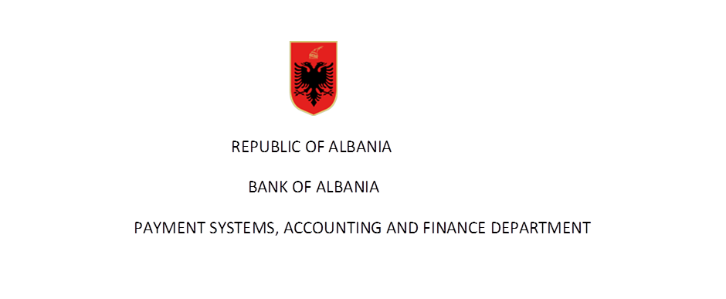

 | Statistics on number of client's accounts in years

Rubric | Indicator | Total accounts in years
 |  | 2008 | 2009 | 2010 | 2011 | 2012 | 2013 | 2014 | 2015 | 2016 | 2017 | 2018 | 2019 | 2020 | 2021

 | Customer accounts (1+2) | 1,573,830 | 2,086,143 | 2,446,495 | 2,634,971 | 2,724,668 | 2,919,352 | 3,161,650 | 3,307,663 | 3,477,985 | 3,141,739 | 3,115,421 | 2,984,912 | 2,956,564 | 3,047,259
 | 1- resident accounts (a+b) | 1,564,084 | 2,074,715 | 2,432,998 | 2,603,654 | 2,705,819 | 2,898,455 | 3,140,591 | 3,287,990 | 3,449,267 | 3,109,886 | 3,081,286 | 2,947,647 | 2,917,045 | 3,002,467
 | Consumers | 1,429,294 | 1,918,907 | 2,257,079 | 2,445,922 | 2,554,330 | 2,737,938 | 2,953,580 | 3,094,995 | 3,238,440 | 2,922,314 | 2,892,461 | 2,722,451 | 2,695,903 | 2,777,170
 | Companies | 134,790 | 155,808 | 175,919 | 157,732 | 151,489 | 160,517 | 187,011 | 192,995 | 210,827 | 187,572 | 188,825 | 225,196 | 221,142 | 225,297
 | 2- non resident accounts (a+b) | 9,746 | 11,428 | 13,497 | 31,317 | 18,849 | 20,897 | 21,059 | 19,673 | 28,718 | 31,853 | 34,135 | 37,265 | 39,519 | 44,792
 | a - individuals | 9,311 | 10,799 | 12,618 | 27,495 | 17,956 | 19,731 | 19,422 | 18,347 | 26,154 | 30,045 | 32,377 | 35,557 | 37,936 | 42,889
 | b - companies | 435 | 629 | 879 | 3,822 | 893 | 1,166 | 1,637 | 1,326 | 2,564 | 1,808 | 1,758 | 1,708 | 1,583 | 1,903

Rubric | Indicator | Accessible from the internet
 |  | 2008 | 2009 | 2010 | 2011 | 2012 | 2013 | 2014 | 2015 | 2016 | 2017 | 2018 | 2019 | 2020 | 2021
 | Customer accounts (1+2) | 11,108 | 15,134 | 27,368 | 37,138 | 54,926 | 113,930 | 145,211 | 153,211 | 209,157 | 322,438 | 399112 | 441,591 | 585,720 | 708,618
 | 1- resident accounts (a+b) | 10,751 | 14,722 | 26,480 | 36,440 | 53,756 | 110,083 | 143,422 | 150,990 | 206,726 | 315,980 | 391,810 | 429,370 | 574,375 | 695,291
 | a - individuals | 6,958 | 9,698 | 18,181 | 27,245 | 42,726 | 92,953 | 122,027 | 128,955 | 184,383 | 276,954 | 331,761 | 381,990 | 508,649 | 620,536
 | b - comapnies | 3,793 | 5,024 | 8,299 | 9,195 | 11,030 | 17,130 | 21,395 | 22,035 | 22,343 | 39,026 | 60,049 | 47,380 | 65,726 | 74,755
 | 2- non resident accounts (a+b) | 357 | 412 | 888 | 698 | 1,170 | 3,847 | 1,789 | 2,221 | 2,431 | 6,458 | 7,302 | 12,221 | 11,345 | 13,327
 | a - individuals | 314 | 328 | 690 | 549 | 1,022 | 3,146 | 1,644 | 2,025 | 2,342 | 6,378 | 7,225 | 12,148 | 11,246 | 13,227
 | b - comapnies | 43 | 84 | 198 | 149 | 148 | 701 | 145 | 196 | 89 | 80 | 77 | 73 | 99 | 100

Source: BoA
( Banks reports according to “Methodology for reporting payments instruments (2008)”, revised in January 20014 )
Data are not audited by the Bank of Albania

