annex_7_english years 2020-2022
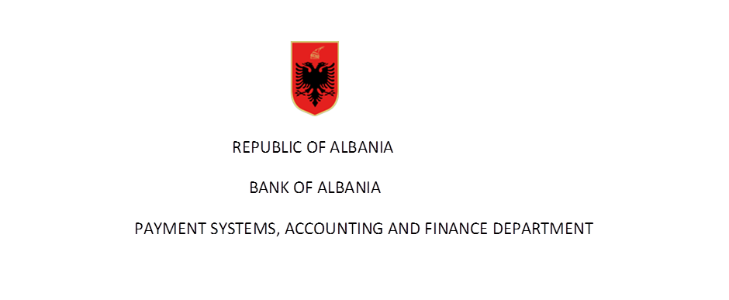

 | Statistics on number of client's accounts in years

Rubric | Indicator | Total accounts in years
 |  | 2020 | 2021 | 2022 | 2023

 | Customer accounts (1+2) | 2,956,564 | 3,047,259 | 3,108,899 | 3,235,508
 | 1- resident accounts (a+b) | 2,917,045 | 3,002,467 | 3,058,459 | 3,175,012
 | a) individuals | 2,695,903 | 2,777,170 | 2,819,104 | 2,942,916
 | b) companies | 221,142 | 225,297 | 239,355 | 232,096
 | 2- non resident accounts (a+b) | 39,519 | 44,792 | 50,440 | 60,496
 | a) individuals | 37,936 | 42,889 | 48,511 | 58,560
 | b) companies | 1,583 | 1,903 | 1,929 | 1,936

Rubric | Indicator | Total accounts accessible from the internet
 |  | 2020 | 2021 | 2022 | 2023
 | Customer accounts (1+2) | 585,720 | 708,618 | 878,380 | 1,096,402
 | 1- resident accounts (a+b) | 574,375 | 695,291 | 863,164 | 1,073,347
 | a) individuals | 508,649 | 620,536 | 776,466 | 964,804
 | b) companies | 65,726 | 74,755 | 86,698 | 108,543
 | 2- non resident accounts (a+b) | 11,345 | 13,327 | 15,216 | 23,055
 | a) individuals | 11,246 | 13,227 | 15,054 | 22,817
 | b) companies | 99 | 100 | 162 | 238
Source: BoA
( Banks reports according to “Methodology for reporting payments instruments of January 2014 )
Data are not audited by the Bank of Albania

